Operating points
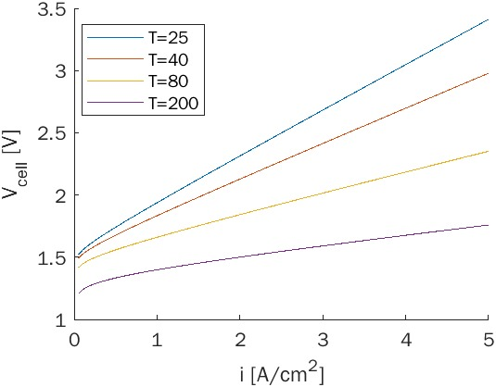
Variables:
Temperature (T) | 200 | ° C
Gap Width (GW) | 0.4 | cm
Current density (i) | 1.3 | A / mm^2

Overpotential calculation:
Reversible energy | 1.48
Tafel slope | 4.73E-02 | V/dB
Exchange current cathode | 0.070307051911 | A/cm^2
Exchange current anode | 0.2918155324 | A/cm^2
Conductivity 30% KOH | 2.720863 | S/cm
Activation losses | 9.06E-02 | V
Ohmic losses | 0.19111583347 | V
Overpotential | 2.82E-01 | V

Total cell voltage: | 1.76E+00 | V

